DataFilteringInstructions
Steps to filter data for Food Affordability Ratio
1. Place cursor in the worksheet !Food_afford_cdp_co_region_ca
2. Click Data tab on top row of tool bar

3. Click Filter Icon
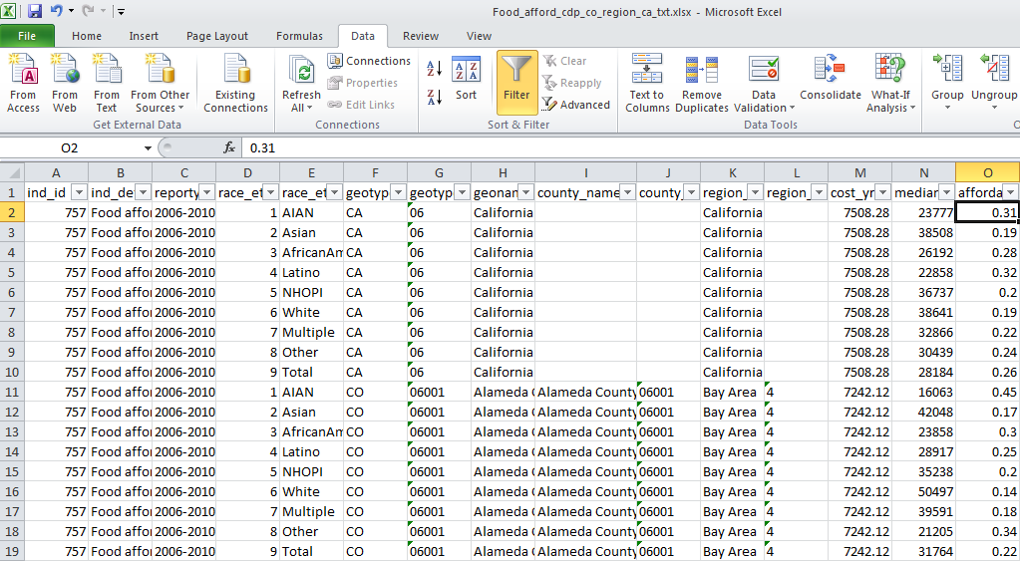
To select a time series 2006-2010 for a single city (e.g. Sacramento)
4. Click on filter picklist arrow in geoname column and type in the city name in the search box
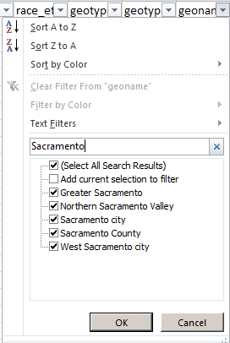
Results will look like this:
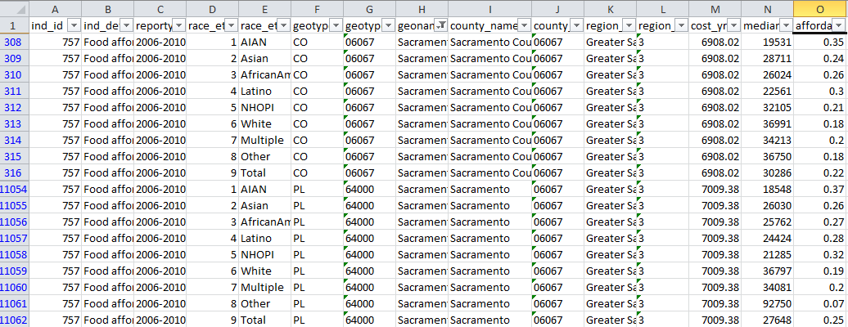

5. Click on Select all to start over again
6. For other selections

